Cover sheet and methodology
Survation Four Day Week Topical Poll March 2023

Prepared by Survation on behalf of 4DayWeek UK
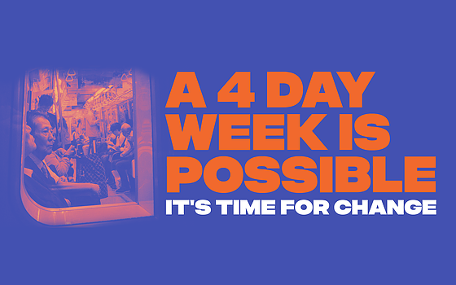

Methodology

Fieldwork Dates | Data Weighting
17th - 20th March 2023 | Data were weighted to the profile of all adults in the UK aged 18+. Data were weighted by age, sex, region, highest level of qualification, annual equivalised household income, 2019 General Election Vote, and 2016 EU Referendum Vote.
 | Targets for the weighted data were derived from Office for National Statistics Data and the results of the 2019 UK General Election and the 2016 EU Referendum.
Data Collection Method
The survey was conducted via online panel. | Margin of Error
Invitations to complete surveys were sent | Because only a sample of the full population was interviewed, all results are subject to margin of error, meaning that not all differences are statistically significant.
out to members of the panel. Differential | For example, in a question where 50% (the worst case scenario as far as margin of error is concerned) gave a particular answer, with a sample of 1003 it is 95% certain that the ‘true’ value will fall within the range of 3.5% from the sample result.
response rates from different demographic
groups were taken into account. | Question presentation
 | All data tables are shown in full, in the order and wording put to respondents, including but not limited to all tables relating to published data and all relevant tables preceding them.
Population Sampled | Tables for demographic questions might not be included but these should be clear from the cross-breaks on published tables.
All residents aged 18+ living in the UK | In all questions where the responses are a list of parties, names or statements, these will typically have been displayed to respondents in a randomising order.
 | The only questions which would not have had randomising responses would be those in which there was a natural order to maintain
Sample Size | – e.g. a scale from “strongly favourable” to “strongly unfavourable”, a list of numbers from 0 to 10 or questions which had factual rather than opinion-related answers such as demographic information. “Other”, “Don't know” and “Refused” responses are not randomised.
1,003
 | Not all questions will have necessarily been asked to all respondents – this is because they may be follow-on questions from previous questions or only appropriate to certain demographic groups.
 | Lower response counts should make clear where this has occurred.

 | Data were analysed and weighted by Survation.

 | For further information please contact:
 | researchteam@survation.com

 | If you are interested in commissioning a poll from us, please contact researchteam@survation.com for a prompt response to your enquiry.

 | Sign up for our press releases at http://eepurl.com/mOK8T

 | Follow us on twitter: @Survation

 | Survation is a Market Research Society company partner. Survation is a member of the British Polling Council and abides by its rules.
 | http://www.britishpollingcouncil.org
 | Survation Ltd Registered in England & Wales Number 07143509

