Cover sheet and methodology
Scottish Politics Poll 5th April 2023
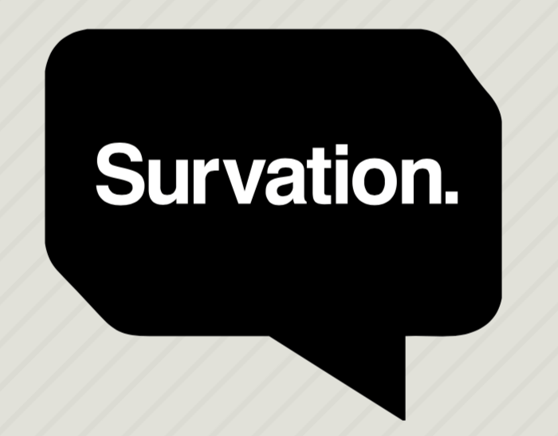

Methodology

Fieldwork Dates | Data Weighting
29th March - 3rd April | Data were weighted to the profile of adults in Scotland aged 16+. Data were weighted by age, sex, region, 2014 Indy Ref, GE19, EU16 and 2021 Holyrood vote.
 | Targets for the weighted data were derived from Office for National Statistics Data and election and referendum results.
Data Collection Method
The survey was conducted via online panel. | Margin of Error
Invitations to complete surveys were sent | Because only a sample of the full population was interviewed, all results are subject to margin of error, meaning that not all differences are statistically significant.
out to members of the panel. | For example, in a question where 50% (the worst case scenario as far as margin of error is concerned) gave a particular answer, given the sample of 1007 it is 95% certain that the ‘true’ value will fall within the range of 3.1% from the sample result.
 | Subsamples from the cross-breaks will be subject to higher margin of error, conclusions drawn from crossbreaks with very small sub-samples should be treated with caution.
Population Sampled
People in Scotland aged 16+ | Question presentation
 | All data tables shown in full below, in order and wording put to respondents, including but not limited to all tables relating to published data and all relevant tables preceding them.
 | Tables for demographic questions might not be included but these should be clear from the cross-breaks on published tables.
Sample Size | In all questions where the responses are a list of parties, names or statements, these will typically have been displayed to respondents in a randomising order.
1,001 | The only questions which would not have had randomising responses would be those in which there was a natural order to maintain
 | – e.g. a scale from “strongly agree” to “strongly disagree”, a list of numbers from 0 to 10 or questions which had factual rather than opinion-related answers such as demographic information. “Other”, “Don't know” and “Refused” responses are not randomised.

 | Voting Intention
 | In order to assess voting intention, we first asked respondents, on a scale of 0-10, how likely they would be to vote in the next election.
 | This likelihood to vote was then used to weight voters' responses, such that respondents replying “10” were weighted by a factor of 1.0, whilst those responding “9” were weighted by a factor of 0.9, and so on down to responses of “0” being excluded altogether.
 | Respondents were then asked who they would be most likely to vote for if that election were tomorrow. The responses “Scottish National Party (SNP)”, “Conservative”, “Labour”, and “Liberal Democrats”, were asked in a randomising order, and if respondents selected “Another Party” they were then asked to specify.
 | As an additional step, respondents who replied “undecided” and “refused” were then removed from the sample.
 | All polls are subject to a wide range of potential sources of error. On the basis of the historical record of the polls at recent general elections, there is a 9 in 10 chance that the true value of a party’s support lies within 4 points of the estimates provided by this poll, and a 2 in 3 chance that they lie within 2 points.

 | Not all questions will have necessarily been asked to all respondents – this is because they may be follow-on questions from previous questions or only appropriate to certain demographic groups.
 | Lower response counts should make clear where this has occurred.

 | Data were analysed and weighted by Survation.

 | For further information please contact:
 | researchteam@survation.com

 | If you are interested in commissioning a poll from us, please contact researchteam@survation.com for a
 | prompt response to your enquiry and we'll call you right back with the appropriate person.

 | Sign up for our press releases at http://eepurl.com/mOK8T

 | Follow us on twitter:

 | Survation are Market Research Society company partners and members of The British Polling Council.
 | http://www.britishpollingcouncil.org
 | Survation Ltd Registered in England & Wales Number 07143509

